Table 1
S. |  |  |  |  |  |  |  |  |  |  |  |  |  |  |  |  |  |  |  |  |  |  | Jou-
No. | ROUTE |  | From |  | To |  | Total |  | Ord. |  | Exp. |  | DS |  | SM |  | SO |  | Ac |  | Rt_len |  | Time me
 |  |  | THIRUVOTRIYUR |  | THIRUVANMIYUR |  | 18 |  | 4 |  | 0 |  | 14 |  | 0 |  | 0 |  | 0 |  | 27.8 |  | 75
 |  |  | TAMBARAM |  | THIRUVOTRIYUR |  | 1 |  | 0 |  | 0 |  | 1 |  | 0 |  | 0 |  | 0 |  | 39.9 |  | 105
 |  |  | ENNORE |  | THIRUVANMIYUR |  | 6 |  | 2 |  | 0 |  | 4 |  | 0 |  | 0 |  | 0 |  | 34.8 |  | 100
 |  |  | ENNORE |  | THIRUVANMIYUR |  | 1 |  | 0 |  | 0 |  | 1 |  | 0 |  | 0 |  | 0 |  | 36.1 |  | 100
 |  |  | ENNORE |  | BROADWAY |  | 16 |  | 15 |  | 0 |  | 1 |  | 0 |  | 0 |  | 0 |  | 20.5 |  | 70
 |  |  | M.G.R.CENTRAL |  | THIRUVANMIYUR |  | 18 |  | 0 |  | 1 |  | 17 |  | 0 |  | 0 |  | 0 |  | 13.7 |  | 50
 |  |  |  |  | OKK.THORAIPAKM
 |  |  | M.G.R.CENTRAL |  | SEC.COLONY |  | 1 |  | 0 |  | 0 |  | 1 |  | 0 |  | 0 |  | 0 |  | 19.8 |  | 65
 |  |  | THIRUVANMIYUR |  | KEELKATTALAI |  | 11 |  | 11 |  | 0 |  | 0 |  | 0 |  | 0 |  | 0 |  | 11.1 |  | 40
 |  |  | THIRUVANMIYUR |  | KEELKATTALAI |  | 1 |  | 1 |  | 0 |  | 0 |  | 0 |  | 0 |  | 0 |  | 11.1 |  | 40
 |  |  | PALLAVARAM R.S |  | THIRISULAMSAKHINAGAR |  | 1 |  | 0 |  | 0 |  | 0 |  | 1 |  | 0 |  | 0 |  | 3.6 |  | 18
 |  |  | I.0.C |  | I.0.C |  | 1 |  | 0 |  | 0 |  | 0 |  | 1 |  | 0 |  | 0 |  | 11.1 |  | 15
12 | 2A |  | K.KANNADASAN NAGAR |  | ANNA SQUARE |  | 17 |  | 16 |  | 0 |  | 1 |  | 0 |  | 0 |  | 0 |  | 15.2 |  | 70
13 | S2 |  | CHROMEPET |  | MEDAVAKKAM JAYACHANDRAN |  | 2 |  | 0 |  | 0 |  | 0 |  | 2 |  | 0 |  | 0 |  | 11 |  | 40
14 | 3 |  | THYAGARAYA NAGAR |  | THIRUVANMIYUR |  | 13 |  | 13 |  | 0 |  | 0 |  | 0 |  | 0 |  | 0 |  | 14.3 |  | 50
 |  |  | GUINDY RACE
15 | 3CT |  | COURSE |  | TIDEL PARK |  | 2 |  | 2 |  | 0 |  | 0 |  | 0 |  | 0 |  | 0 |  | 9 |  | 30
 |  |  |  |  | JOTHI NAGAR
16 | S3X |  | CHROMEPET ESI |  | MADAMBAKKAM |  |  |  |  |  | 0 |  | 0 |  | 1 |  | 0 |  | 0 |  | 11.9 |  | 45
17 | 4M |  | BROADWAY |  | MINJUR |  |  |  |  |  | 0 |  | 0 |  | 0 |  | 0 |  | 0 |  | 33.2 |  | 100
 |  |  |  |  | MEDAVAKKAM
 |  |  | CHROMEPET |  | JAYACHANDRAN |  | 2 |  | 0 |  | 0 |  | 0 |  | 2 |  | 0 |  | 0 |  | 12.9 |  | 40
 |  |  | MYLAPORE TANK |  | THYAGARAYA NAGAR |  | )2 |  | )2 |  | )0 |  | )0 |  | )0 |  | )0 |  | )0 |  | )11.9 |  | )40
 |  |  | BROADWAY |  | TARAMANI |  | )7 |  | )7 |  | )0 |  | )0 |  | )0 |  | )0 |  | )0 |  | )19.2 |  | )70
 |  |  | BESANT NAGAR |  | VADAPALANI |  | 17 |  | 16 |  | )0 |  | 1 |  | )0 |  | )0 |  | )0 |  | 19.4 |  | )70
22 | 5G |  | KANNAGI NAGAR S.C.B |  | THYAGARAYA NAGAR |  | 1 |  | 1 |  | 0 |  | 0 |  | 0 |  | 0 |  | 0 |  | 19.4 |  | 65
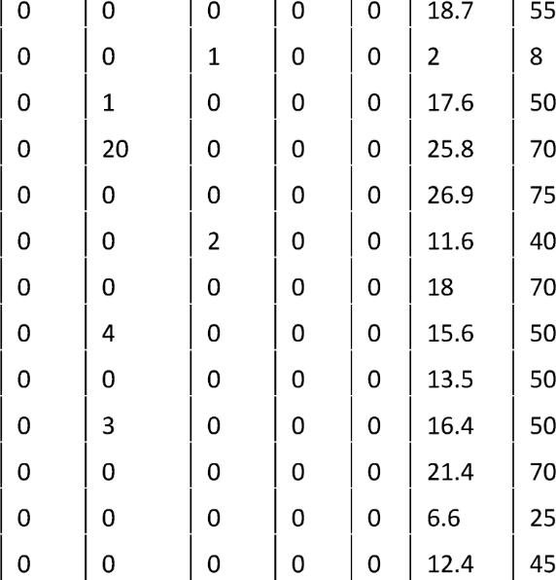
 |  |  | KANNAGI NAGAR
 |  |  | S.C.B |  | SAIDAPET |  | 1 |  | 1
 |  |  | SECRETARIAT |  | FORTSTATION |  | 1 |  | 0
 |  |  | BROADWAY |  | THIRUVANMIYUR |  | 2 |  | 1
 |  |  | TOLLGATE |  | THIRUVANMIYUR |  | 24 |  | 4
 |  |  | SATHUMANAGAR |  | THIRUVANMIYUR |  | 1 |  | 1
 |  |  | TAMBARAMWEST |  | VENGAMBAKKAM/V.RDJN |  | 2 |  | 0
 |  |  | BROADWAY |  | NOLAMBUR SAKTHINAGAR |  | 2 |  | 2
 |  |  | BROADWAY |  | J.J.NAGAREAST |  | 12 |  | 8
 |  |  | BROADWAY |  | PADIKUPPAM |  | 1 |  | 1
 |  |  | BROADWAY |  | J.J.NAGARWEST |  | 11 |  | 8
 |  |  | BROADWAY |  | ATHIPETI.C.F. COLONY |  | 1 |  | 1
 |  |  | TOLLGATE |  | VALLALARNAGAR |  | 2 |  | 2
 |  |  | BROADWAY |  | T.V.K.NAGAR |  | 6 |  | 6
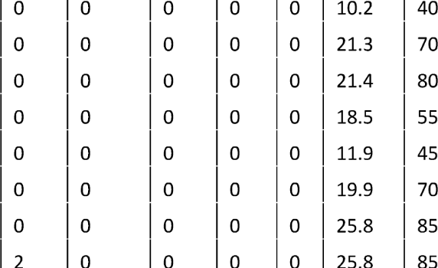
 |  |  | THYAGARAYA
 |  |  | NAGAR |  | A.G.S.OFFICER'SCOLONY |  | 6 |  | 6
 |  |  | BROADWAY |  | A.G.S.OFFICER’SCOLONY |  | 1 |  | 1
 |  |  | TOLLGATE |  | SAIDAPETWEST |  | 1 |  | 1
 |  |  | BROADWAY |  | EKKATTUTHANGAL |  | 1 |  | 1
 |  |  | BROADWAY |  | THYAGARAYANAGAR |  | 5 |  | 5
 |  |  | BROADWAY |  | K.K.NAGAR |  | 8 |  | 8
 |  |  | BROADWAY |  | IYYAPPANTHANGAL |  | 9 |  | 9

46 |  | 12G |  | K.K.NAGAR |  | ANNA SQUARE |  | 9 |  | 7 |  | 0 |  | 2 |  | 0 |  | 0 |  | 0 |  | 18.4 |  | 70
47 |  | 12M |  | IYYAPPANTHANGAL |  | MANDAVELI |  | 4 |  | 4 |  | 0 |  | 0 |  | 0 |  | 0 |  | 0 |  | 21.7 |  | 80
48 |  | 12X |  | M.G.R.KOYAMBEDU |  | FORESHORE ESTATE |  | 13 |  | 13 |  | 0 |  | 0 |  | 0 |  | 0 |  | 0 |  | 14.8 |  | 70
49 |  | S12 |  | GUINDY RACE COURSE |  | VELACHERY R.S |  | 2 |  | 0 |  | 0 |  | 0 |  | 2 |  | 0 |  | 0 |  | 5.7 |  | 30
50 |  | 13 |  | BROADWAY |  | THYAGARAYA NAGAR |  | 5 |  | 4 |  | 1 |  | 0 |  | 0 |  | 0 |  | 0 |  | 15.5 |  | 50
51 |  | S13 |  | GUINDY RACE COURSE |  | VELACHERY |  | 3 |  | 0 |  | 0 |  | 0 |  | 3 |  | 0 |  | 0 |  | 7.1 |  | 35
52 |  | 14M |  | MEDAVAKKAM RD.JN |  | N.G.0.COLONY |  | 5 |  | 5 |  | 0 |  | 0 |  | 0 |  | 0 |  | 0 |  | 10.1 |  | 45
53 |  | S14MC |  | ST.THOMAS MOUNT R.S |  | MEDAVAKKAM RD.JN |  | 8 |  | 0 |  | 0 |  | 0 |  | 0 |  | 8 |  | 0 |  | 10 |  | 40
54 |  | S14MX |  | GUINDY RACE COURSE |  | MEDAVAKKAM RD.JN |  | 7 |  | 0 |  | 0 |  | 0 |  | 0 |  | 7 |  | 0 |  | 11.9 |  | 45
55 |  | 15 |  | BROADWAY |  | M.G.R.KOYAMBEDU |  | 16 |  | 15 |  | 0 |  | 1 |  | 0 |  | 0 |  | 0 |  | 11.5 |  | 40
56 |  | 15BET |  | M.G.R.KOYAMBEDU |  | ODEANMANI |  | 1 |  | 1 |  | 0 |  | 0 |  | 0 |  | 0 |  | 0 |  | 21.8 |  | 80
57 |  | 15C |  | BROADWAY |  | ANNA NAGAR WEST |  | 2 |  | 2 |  | 0 |  | 0 |  | 0 |  | 0 |  | 0 |  | 16.3 |  | 75
58 |  | 15F |  | BROADWAY |  | VADAPALANI |  | 16 |  | 3 |  | 6 |  | 7 |  | 0 |  | 0 |  | 0 |  | 18.1 |  | 65
59 |  | 15G |  | BROADWAY |  | M.M.D.A.COLONY |  | 11 |  | 11 |  | 0 |  | 0 |  | 0 |  | 0 |  | 0 |  | 10.2 |  | 38
60 |  | S15 |  | THIRUVANMIYUR R.S |  | MADHYAKAILASH |  | 1 |  | 0 |  | 0 |  | 0 |  | 1 |  | 0 |  | 0 |  | 4.9 |  | 25
61 |  | 16J |  | POONAMALLEE |  | M.G.R.KOYAMBEDU |  | 4 |  | 2 |  | 0 |  | 2 |  | 0 |  | 0 |  | 0 |  | 18.2 |  | 60
62 |  | 16K |  | KUNDRATHUR B.S |  | M.G.R.KOYAMBEDU |  | 3 |  | 3 |  | 0 |  | 0 |  | 0 |  | 0 |  | 0 |  | 18.5 |  | 70
63 |  | 17D |  | BROADWAY |  | K.K.NAGAR |  | 22 |  | 20 |  | 0 |  | 2 |  | 0 |  | 0 |  | 0 |  | 20 |  | 70
64 |  | 17E |  | BROADWAY |  | SALIGRAMAM |  | 12 |  | 12 |  | 0 |  | 0 |  | 0 |  | 0 |  | 0 |  | 16.1 |  | 60
65 |  | 17K |  | BROADWAY |  | DASARATHAPURAM |  | 2 |  | 2 |  | 0 |  | 0 |  | 0 |  | 0 |  | 0 |  | 16 |  | 60
66 |  | S17 |  | MANDAVELI |  | ADYAR B.S |  | 1 |  | 0 |  | 0 |  | 0 |  | 1 |  | 0 |  | 0 |  | 10.4 |  | 45
67 |  | 18A |  | BROADWAY |  | TAMBARAM |  | 5 |  | 0 |  | 0 |  | 5 |  | 0 |  | 0 |  | 0 |  | 28.5 |  | 80
68 |  | 18ACT |  | KILAMBAKKAM B.S |  | GUINDY TVK ESTATE |  | 6 |  | 3 |  | 0 |  | 3 |  | 0 |  | 0 |  | 0 |  | 24 |  | 80
69 |  | 18AET |  | KILAMBAKKAM B.S |  | BROADWAY |  | 13 |  | 2 |  | 0 |  | 11 |  | 0 |  | 0 |  | 0 |  | 37.1 |  | 100
70 |  | 18B |  | BROADWAY |  | KOTTURPURAM |  | 1 |  | 1 |  | 0 |  | 0 |  | 0 |  | 0 |  | 0 |  | 16.1 |  | 50
71 |  | 18D |  | BROADWAY |  | KEELKATTALAI |  | 4 |  | 3 |  | 0 |  | 1 |  | 0 |  | 0 |  | 0 |  | 21.5 |  | 75
72 |  | 18E |  | BROADWAY |  | RAMAPURAM |  | 2 |  | 2 |  | 0 |  | 0 |  | 0 |  | 0 |  | 0 |  | 21.2 |  | 70
73 |  | 18G |  | BROADWAY |  | TAMBARAM |  | 2 |  | 1 |  | 0 |  | 1 |  | 0 |  | 0 |  | 0 |  | 31.5 |  | 100
74 |  | 18H |  | TAMBARAM |  | NADUVEERAPATTU |  | 2 |  | 2 |  | 0 |  | 0 |  | 0 |  | 0 |  | 0 |  | 11.1 |  | 40
75 |  | 18K |  | BROADWAY |  | SAIDAPET WEST |  | 12 |  | 12 |  | 0 |  | 0 |  | 0 |  | 0 |  | 0 |  | 14.6 |  | 55
76 |  | 18N |  | BROADWAY |  | KEELKATTALAI |  | 2 |  | 2 |  | 0 |  | 0 |  | 0 |  | 0 |  | 0 |  | 23.6 |  | 80
77 |  | 18P |  | BROADWAY |  | KEELKATTALAI |  | 1 |  | 1 |  | 0 |  | 0 |  | 0 |  | 0 |  | 0 |  | 21.7 |  | 70
78 |  | 18R |  | BROADWAY |  | NANGANALLUR |  | 3 |  | 3 |  | 0 |  | 0 |  | 0 |  | 0 |  | 0 |  | 20.6 |  | 70
79 |  | 18X |  | BROADWAY |  | OONAMANCHERI |  | 1 |  | 0 |  | 0 |  | 1 |  | 0 |  | 0 |  | 0 |  | 39 |  | 100
80 |  | B18X |  | KILAMBAKKAM B.S |  | KORUKKUPET R.S |  | 5 |  | 0 |  | 0 |  | 5 |  | 0 |  | 0 |  | 0 |  | 42.3 |  | 110
81 |  | E18 |  | BROADWAY |  | GUDUVANCHERY |  | 25 |  | 4 |  | 0 |  | 21 |  | 0 |  | 0 |  | 0 |  | 41 |  | 105
82 |  | G18 |  | THYAGARAYA NAGAR |  | GUDUVANCHERY |  | 7 |  | 2 |  | 0 |  | 5 |  | 0 |  | 0 |  | 0 |  | 32 |  | 80
83 M18 KILAMBAKKAM B.S TAMBARAM 11 3 0 |  |  |  |  |  |  |  |  |  |  |  |  |  | 8 |  | 0 |  | 0 |  | 0 |  | 8.6 25

Table 2
84 |  | M18C | THYAGARAYA NAGAR | KEELKATTALAI | 2 |  | 2 |  | 0 |  | 0 |  | 0 |  | 0 |  | 0 |  | 15.2 |  | 50
85 |  | M18G | HASTHlNAPURAM | GUDUVANCHERY | )2 |  | )2 |  | )0 |  | )0 |  | )0 |  | )0 |  | )0 |  | )17 |  | )50
86 |  | M18N | NANGANALLUR | GUDUVANCHERY | )1 |  | )1 |  | )0 |  | )0 |  | )0 |  | )0 |  | )0 |  | )25 |  | )70
87 |  | S18CT | KLAMBAKKAMB.S | KILAMBAKKAM B.S | )2 |  | )0 |  | )0 |  | )0 |  | )2 |  | )0 |  | )0 |  | )6.6 |  | )25
88 |  | S18D | SAIDAPET | KEELKATTALAI | )1 |  | )0 |  | )0 |  | )0 |  | )1 |  | )0 |  | )0 |  | )9.7 |  | )40
89 |  | S18K | SAIDAPET WEST PARSN NAGAR | M.G.R.CENTRAL | 1 |  | 0 |  | 0 |  | 0 |  | 1 |  | 0 |  | 0 |  | 14.2 |  | 50
 |  |  | THYAGARAYA
90 |  | 19 | NAGAR | THIRUPORUR | 25 |  | 3 |  | 0 |  | 22 |  | 0 |  | 0 |  | 0 |  | 41.7 |  | 100
 |  |  | THYAGARAYA
91 |  | 19A | NAGAR | SEMMANCHERI S.C.B | 9 |  | 9 |  | 0 |  | 0 |  | 0 |  | 0 |  | 0 |  | 23.5 |  | 70
92 |  | 19B | SAIDAPET | KELAMBAKKAM | 2 |  | 0 |  | 0 |  | 2 |  | 0 |  | 0 |  | 0 |  | 32.1 |  | 70
93 | 19BET |  | THYAGARAYA NAGAR | THAIYUR KOMAN NAGAR |  | 1 |  | 0 |  | 0 |  | 1 |  | 0 |  | 0 |  | 0 |  | 40.1 |  | 70
94 | 19C |  | THYAGARAYA NAGAR | OKK.THORAIPAKM SEC.COLONY | 1 |  | 1 |  | 0 |  | 0 |  | 0 |  | 0 |  | 0 |  | 16.3 |  | 55
95 | 19D |  | SEMMANCHERI S.C.B | ADYAR B.S | 3 |  | 3 |  | 0 |  | 0 |  | 0 |  | 0 |  | 0 |  | 17.6 |  | 50
96 | 19GCT |  | SAIDAPET WEST | KOVALAM |  |  |  |  | 0 |  | 1 |  | 0 |  | 0 |  | 0 |  | 36.6 |  | 80
97 | 19T |  | THYAGARAYA NAGAR | KOVALAM | 1 |  | 1 |  | 0 |  | 0 |  | 0 |  | 0 |  | 0 |  | 34.1 |  | 90
98 | B19 |  | SHOZHANGANALLUR | KELAMBAKKAM | )1 |  | )1 |  | )0 |  | )0 |  | )0 |  | )0 |  | )0 |  | )14 |  | )30
99 | B19CT |  | SHOZHANGANALLUR | SIRUSERI I.T.PARK | )1 |  | )1 |  | )0 |  | )0 |  | )0 |  | )0 |  | )0 |  | )10.3 |  | )30
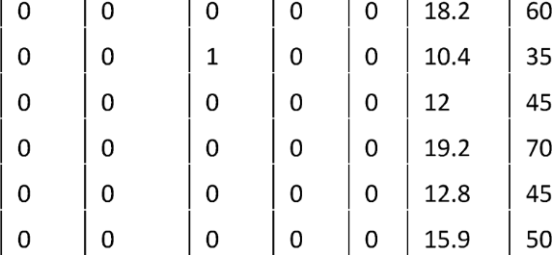
100 | M19B |  | THYAGARAYA NAGAR | KANNAGI NAGAR S.C.B
101 | S19 |  | CHROMEPET | KEELKATTALAI
102 | 20 |  | BROADWAY | VILLIVAKKAM
103 | 20A |  | BROADWAY | J.J.NAGAR WEST
104 | 20D |  | BROADWAY | SIDCO NAGAR
105 | 20P |  | AMBATTUR I.E | POONAMALLEE
106 | S20 |  | ASHOK NAGAR METRO R.S | D.L.F. | 2 |  | 0 |  | 0 |  | 0 |  | 2 |  | 0 |  | 0 |  | 6.9 |  | 30
107 | 21 |  | BROADWAY | MANDAVELI | 16 |  | 14 |  | 0 |  | 2 |  | 0 |  | 0 |  | 0 |  | 10.6 |  | 40
108 | 21C |  | BROADWAY | KANNAGI NAGAR S.C.B | 2 |  | 2 |  | 0 |  | 0 |  | 0 |  | 0 |  | 0 |  | 23.2 |  | 70
109 | 21EET |  | BROADWAY | IYYAPPANTHANGAL | 2 |  | 2 |  | 0 |  | 0 |  | 0 |  | 0 |  | 0 |  | 25.5 |  | 90
110 | 21G |  | BROADWAY | KILAMBAKKAM B.S | 30 |  | 5 |  | 0 |  | 21 |  | 0 |  | 0 |  | 4 |  | 41.2 |  | 100
111 | 21GCT |  | BROADWAY | GUINDY TVK ESTATE | 1 |  | 0 |  | 0 |  | 1 |  | 0 |  | 0 |  | 0 |  | 19.4 |  | 50
112 | 21L |  | BROADWAY | VELACHERY | 1 |  | 1 |  | 0 |  | 0 |  | 0 |  | 0 |  | 0 |  | 20.9 |  | 50
113 | S21C |  | M.G.R.CENTRAL | MYLAPORE TANK | 1 |  | 0 |  | 0 |  | 0 |  | 1 |  | 0 |  | 0 |  | 8.5 |  | 40
114 | 22 |  | VILLIVAKKAM | ANNA SQUARE | 2 |  | 2 |  | 0 |  | 0 |  | 0 |  | 0 |  | 0 |  | 15 |  | 45
115 | S22 |  | PORUR | MANGADU | 2 |  | 0 |  | 0 |  | 0 |  | 2 |  | 0 |  | 0 |  | 7.4 |  | 35
116 | 23C |  | AYANAVARAM B.S | BESANT NAGAR | 15 |  | 8 |  | 0 |  | 7 |  | 0 |  | 0 |  | 0 |  | 22.8 |  | 70
117 | 23V |  | VILLIVAKKAM | VELACHERY | 1 |  | 0 |  | 0 |  | 1 |  | 0 |  | 0 |  | 0 |  | 26.8 |  | 85
118 | T23C |  | AYANAVARAM B.S | THIRUVANMIYUR | 3 |  | 0 |  | 0 |  | 3 |  | 0 |  | 0 |  | 0 |  | 22.8 |  | 80
119 | 24A |  | ANNA NAGAR WEST | VIVEKANANDA HOUSE | 4 |  | 3 |  | 0 |  | 1 |  | 0 |  | 0 |  | 0 |  | 14.3 |  | 50
120 | S24 |  | IYYAPPANTHANGAL | THIRUVERKADU | 2 |  | 0 |  | 0 |  | 0 |  | 2 |  | 0 |  | 0 |  | 8 |  | 40
121 | S24A |  | KAMBAR COLONY | T.V.K.NAGAR | 1 |  | 0 |  | 0 |  | 0 |  | 1 |  | 0 |  | 0 |  | 5.7 |  | 25
122 | 25 |  | POONAMALLEE | ANNA SQUARE | 28 |  | 4 |  | 0 |  | 24 |  | 0 |  | 0 |  | 0 |  | 27.4 |  | 80
123 | S25 |  | VALASARAVAKKAM | MADURAVOYAL | 5 |  | 0 |  | 0 |  | 0 |  | 5 |  | 0 |  | 0 |  | 4.5 |  | 20
124 | S25A |  | IYYAPPANTHANGAL | MADURAVOYAL ERIKARAI | 1 |  | 0 |  | 0 |  | 0 |  | 1 |  | 0 |  | 0 |  | 6.9 |  | 30
125 | 26 |  | BROADWAY | IYYAPPANTHANGAL | 22 |  | 22 |  | 0 |  | 0 |  | 0 |  | 0 |  | 0 |  | 20.9 |  | 80
126 | 26B |  | BROADWAY | MANGADU | 2 |  | 2 |  | 0 |  | 0 |  | 0 |  | 0 |  | 0 |  | 24.7 |  | 90

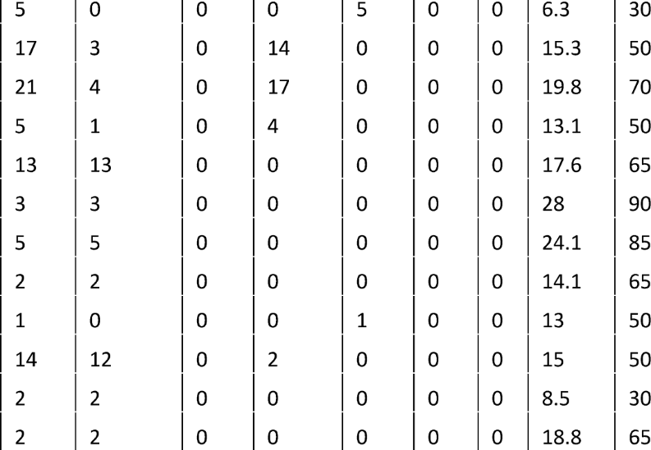
129 |  | S26 | ASHOKNAGAR lMETROR.S | VALASARAVAKKAM
130 |  | 27B | M.G.R.KOYAMBEDU | ANNA SQUARE
131 |  | 27D | VILLIVAKKAM | FORESHORE ESTATE
132 |  | M27 | M.G.R.KOYAMBEDU | THYAGARAYA NAGAR
133 |  | 28 | THIRUVOTRIYUR | EGMORE NORTH R.S
134 |  | 28A | MANALI NEW TOWN | EGMORE NORTH R.S
135 |  | 28B | ENNORE | EGMORE NORTH R.S
136 |  | 28C | TOLLGATE | Q.M.ARTS COLLEGE
137 |  | S28 | M.G.R.KOYAMBEDU | IYYAPPANTHANGAL
138 |  | 29A | PERAMBUR | ANNA SQUARE
139 |  | 29ACT | PERAMBUR | EGMORE
140 |  | 29AET | PERIYAR NAGAR | ANNA SQUARE
 |  |  | PERAVALLUR
141 |  | 29AEX | KUMARAN NAGAR | ANNASQUARE | 2 |  | 2 |  | 0 |  | 0 |  | 0 |  | 0 |  | 0 |  | 19.5 |  | 65
142 |  | 29B | PERAMBUR | SAIDAPET | 2 |  | 2 |  | 0 |  | 0 |  | 0 |  | 0 |  | 0 |  | 18.3 |  | 75
143 |  | 29C | PERAMBUR | BESANTNAGAR | 16 |  | 14 |  | 0 |  | 2 |  | 0 |  | 0 |  | 0 |  | 22.2 |  | 80
144 |  | 29CET | PERIYARNAGAR | BESANTNAGAR | 3 |  | 3 |  | 0 |  | 0 |  | 0 |  | 0 |  | 0 |  | 27 |  | 80
145 |  | 29CEX | SRINIVASANAGAR | BESANTNAGAR | 2 |  | 2 |  | 0 |  | 0 |  | 0 |  | 0 |  | 0 |  | 30 |  | 90
146 |  | 29D | MATHUR M.M.D.A. | VIVEKANANDAHOUSE | 1 |  | 1 |  | 0 |  | 0 |  | 0 |  | 0 |  | 0 |  | 22.7 |  | 85
147 |  | 29E | PERAMBUR | THIRUVERKADU | 8 |  | 2 |  | 6 |  | 0 |  | 0 |  | 0 |  | 0 |  | 22.9 |  | 75
148 |  | 29ET | VINAYAGAPURAM | MANDAVELI | 1 |  | 1 |  | 0 |  | 0 |  | 0 |  | 0 |  | 0 |  | 24.2 |  | 60
 |  |  |  | PERAVALLUR KUMARAN
149 |  | 29NET | VELACHERY | NAGAR | 1 |  | 1 |  | 0 |  | 0 |  | 0 |  | 0 |  | 0 |  | 29.5 |  | 95
150 |  | T29 | T.V.K.NAGAR | THIRUVANMIYUR | 1 |  | 0 |  | 0 |  | 1 |  | 0 |  | 0 |  | 0 |  | 23.7 |  | 80
151 |  | T29C | PERAMBUR | THIRUVANMIYUR | 15 |  | 7 |  | 0 |  | 8 |  | 0 |  | 0 |  | 0 |  | 22.2 |  | 80
152 |  | S30 | SAIDAPET | ASHOK PILLAR | 1 |  | 0 |  | 0 |  | 0 |  | 1 |  | 0 |  | 0 |  | 8.2 |  | 35
153 |  | S30CT | GUINDY G.H | GUINDY TVK ESTATE | 1 |  | 0 |  | 0 |  | 0 |  | 1 |  | 0 |  | 0 |  | 1 |  | 0
154 |  | 31A | TAMBARAM WEST | AGARAMTHEN | 6 |  | 6 |  | 0 |  | 0 |  | 0 |  | 0 |  | 0 |  | 10.5 |  | 30
155 |  | 31B | TAMBARAM WEST | KANDIGAI JUNCTION | 1 |  | 1 |  | 0 |  | 0 |  | 0 |  | 0 |  | 0 |  | 12.2 |  | 40
156 |  | 31G | TAMBARAM WEST | MEDAVAKKAM RD.JN | 6 |  | 6 |  | 0 |  | 0 |  | 0 |  | 0 |  | 0 |  | 15.7 |  | 50
157 |  | 31M | TAMBARAM WEST | MADARAPAKKAM | 1 |  | 1 |  | 0 |  | 0 |  | 0 |  | 0 |  | 0 |  | 14.5 |  | 50
158 |  | 31P | TAMBARAM EAST | PONMAR | 1 |  | 1 |  | 0 |  | 0 |  | 0 |  | 0 |  | 0 |  | 14.5 |  | 52
159 |  | S31 | VADAPALANI | M.G.R.KOYAMBEDU | 5 |  | 0 |  | 0 |  | 0 |  | 5 |  | 0 |  | 0 |  | 10.7 |  | 50
160 |  | 32A | TOLLGATE | FORESHORE ESTATE | 1 |  | 1 |  | 0 |  | 0 |  | 0 |  | 0 |  | 0 |  | 18.6 |  | 70
161 |  | 32B | KORUKKUPET R.S | VIVEKANANDA HOUSE | 16 |  | 16 |  | 0 |  | 0 |  | 0 |  | 0 |  | 0 |  | 11 |  | 50
162 |  | 32C | VALLALAR NAGAR | CHINTADRIPET MRTS | 9 |  | 6 |  | 0 |  | 3 |  | 0 |  | 0 |  | 0 |  | 7.2 |  | 25
163 |  | 33B | BROADWAY | K.KANNADASAN NAGAR | 1 |  | 1 |  | 0 |  | 0 |  | 0 |  | 0 |  | 0 |  | 9.5 |  | 40
164 |  | 33C | BROADWAY | K.KANNADASAN NAGAR | 10 |  | 9 |  | 0 |  | 1 |  | 0 |  | 0 |  | 0 |  | 12.2 |  | 50
 |  |  |  | KODUNGAIYUR PARVATHI
165 |  | 33L | BROADWAY | NAGA
166 |  | 34 | AMBATTUR I.E | THIRUVOTRIYUR
167 |  | 35 | BROADWAY | KORATTUR
168 |  | 35C | BROADWAY | KORATTUR
 |  |  | ASHOK NAGAR
169 |  | S35 | METRO R.S | DEFENCE COLONY
170 |  | 36K | TOLLGATE | REDHILLS
171 |  | 36M | VALLALAR NAGAR | VICHOOR
172 |  | 36V | THIRUVOTRIYUR | REDHILLS
173 |  | S36 | NUNGAMBAKKAM R.S | D.M.S. METRO | 2 |  | 0 |  | 0 |  | 0 |  | 2 |  | 0 |  | 0 |  | 4.2 |  | 20

Table 3
176 | 37E | K.KANNADASAN NAGAR | IYYAPPANTHANGAL | 1 | 0
177 | 37ECT | M.K.B.NAGAR | VADAPALANI | 1 | 1
178 | 37G | VALLALAR NAGAR | IYYAPPANTHANGAL | 5 | 5
179 | 38A | BROADWAY | MANALI | 2 | 2
180 | 38C | T.V.K.NAGAR | VIVEKANANDAHOUSE | 9 | 9
 |  |  | KODUNGAIYUR PARVATHI
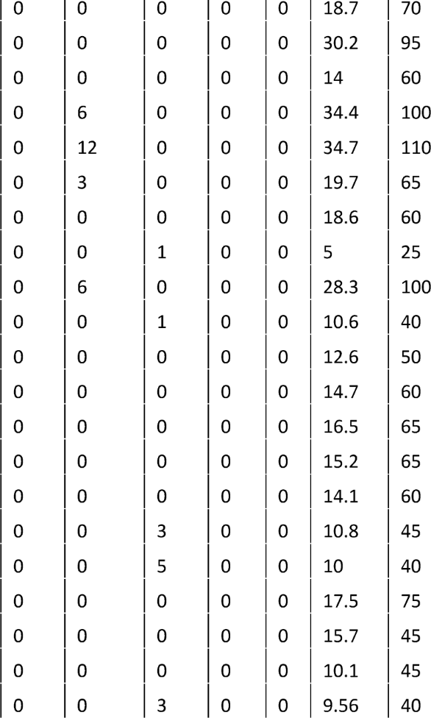
181 | 38D | THIRUVOTRIYUR | NAGA
182 | 38G | BROADWAY | VAZHUTHIGAIMEDU
183 | 38H | BROADWAY | MADHAVARAM B.S
184 | 40A | PATTABIRAM | ANNA SQUARE
185 | 40H | ANNA SQUARE | PATTABIRAM
186 | 40L | ANNA SQUARE | J.J.NAGAR WEST
187 | 40N | J.J.NAGAR EAST | ANNA SQUARE
188 | S40 | PALLAVARAM | INDIRA NAGAR
189 | 41D | MANDAVELI | AMBATTUR 0.T
190 | S41 | AVADI | AMBEDKAR STATUE
191 | 42 | BROADWAY | PERIYAR NAGAR
192 | 42B | BROADWAY | POOMPUHAR
193 | 42C | BROADWAY | TEACHERS COLONY
194 | 42D | BROADWAY | SRINIVASA NAGAR
195 | 42M | BROADWAY | M.M.B.T
196 | S42 | KORATTUR | MADURAVOYAL
197 | S43 | VILLIVAKKAM | PUDUR
198 | 44 | BROADWAY | MANALI
199 | 44C | BROADWAY | MANALI
200 | 44CT | BROADWAY | I.0.C
201 | S44 | PERAMBUR | VILLIVAKKAM
202 | 45A | VIVEKANANDA HOUSE | MADIPAKKAM B.S | 6 | 6 | 0 | 0 | 0 | 0 | 0 | 21.3 | 65
 |  | THYAGARAYA
203 | 45ACT | NAGAR | KEELKATTALAI | 2 | 2 | 0 | 0 | 0 | 0 | 0 | 15.6 | 40
204 | 45B | BROADWAY | GUINDY TVK ESTATE | )5 | )5 | )0 | )0 | )0 | )0 | )0 | )19.8 | )65
205 | 45BET | ANNASQUARE | MUGALIVAKKAM | )1 | )1 | )0 | )0 | )0 | )0 | )0 | )23.3 | )70
206 | A45B | ANNASQUARE | NANDAMBAKKAM | )2 | )2 | )0 | )0 | )0 | )0 | )0 | )18.8 | )55
207 | N45B | BROADWAY | KEELKATTALAI | )2 | )2 | )0 | )0 | )0 | )0 | )0 | )27.9 | )65
208 | S45 | AVADI | POONAMALLEE | )1 | )0 | )0 | )0 | )1 | )0 | )0 | )16.6 | )65
209 | 46 | T.V.K.NAGAR | M.G.R.KOYAMBEDU | 15 | 11 | )0 | )4 | )0 | )0 | )0 | 15.5 | 65
210 | 46ET | PERIYARNAGAR | M.G.R.KOYAMBEDU | )1 | )1 | )0 | )0 | )0 | )0 | )0 | )16.2 | )65
211 | 46G | M.K.B.NAGAR | M.G.R.KOYAMBEDU | 14 | )2 | )0 | 12 | )0 | )0 | )0 | 17.6 | )70
212 | 47 | VILLIVAKKAM | BESANT NAGAR | 13 | )3 | )0 | 10 | )0 | )0 | )0 | )22.8 | )75
213 | 47A | VILLIVAKKAM | THIRUVANMIYUR | 13 | )4 | )0 | )9 | )0 | )0 | )0 | )22.9 | )80
214 | 47C | AMBATTUR O.T | KOTTURPURAM | )1 | )0 | )0 | )1 | )0 | )0 | )0 | )27.1 | )80
 |  | THYAGARAYA
215 | 47CX | NAGAR | AYAPPAKKAM |  |  | 0 | 0 | 0 | 0 | 0 | 24.1 | 70
216 | 47D | AVADI | THIRUVANMIYUR |  |  | 0 | 5 | 0 | 0 | 0 | 36.3 | 90
 |  | THYAGARAYA
217 | 47DCT | NAGAR | KORATTUR | 1 | 1 | 0 | 0 | 0 | 0 | 0 | 17.2 | 65
218 | A47 | AVADI | THIRUVANMIYUR | 1 | 0 | 0 | 1 | 0 | 0 | 0 | 34 | 100
219 | S47 | AVADI | MITTANAMALLEEG.H.S.S | 3 | 0 | 0 | 0 | 3 | 0 | 0 | 10.6 | 40
220 | S47M | AVADI | C.R.P.F | 1 | 0 | 0 | 0 | 1 | 0 | 0 | 10.5 | 40

Table 7
381 | 70H | HASTHINAPURAM | M.G.R.KOYAMBEDU | 1 | 0 | 1 | 0 | 0 | 0 | 0 | 20.1 | 70
382 | 70J | J.J.NAGAR WEST | TAMBARAM | 4 | 2 | 0 | 2 | 0 | 0 | 0 | 28.7 | 80
383 | 70K | KILAMBAKKAM B.S | AVADI | 4 | 0 | 0 | 4 | 0 | 0 | 0 | 46.6 | 130
384 | 70LCT | GUINDY TVK ESTATE | KORATTUR | 1 | 0 | 0 | 1 | 0 | 0 | 0 | 17 | 60
385 | 70M | KILAMBAKKAM B.S | M.M.B.T | 4 | 0 | 0 | 4 | 0 | 0 | 0 | 49.9 | 130
386 | 70N | M.G.R.KOYAMBEDU | NANGANALLUR | 1 | 1 | 0 | 0 | 0 | 0 | 0 | 14 | 50
387 | 70T | KILAMBAKKAM B.S | T.V.K.NAGAR | 3 | 0 | 0 | 3 | 0 | 0 | 0 | 41 | 140
388 | 70V | M.G.R.KOYAMBEDU | KILAMBAKKAM B.S | 44 | 13 | 0 | 29 | 0 | 0 | 2 | 29.1 | 80
389 | B70CT | GUINDY TVK ESTATE | DEVIK ESWARI NAGAR | 1 | 0 | 1 | 0 | 0 | 0 | 0 | 22.3 | 75
390 | D70 | AMBATTUR I.E | VELACHERY | 22 | 0 | 0 | 22 | 0 | 0 | 0 | 25.2 | 70
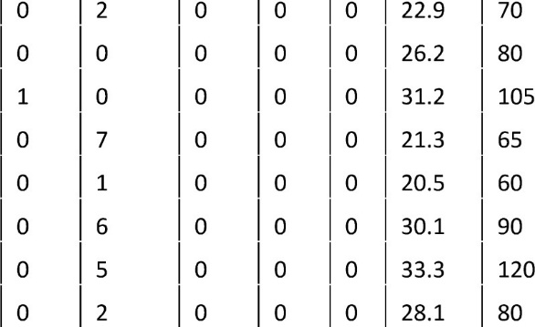
 |  |  | ELANGO NAGAR
391 | D70CT | VELACHERY | OFF.COLONY
392 | D70X | AMBATTUR I.E | VELACHERY MRTS
393 | F70 | GUINDY TVK ESTATE | PATTABIRAM
394 | M70 | M.G.R.KOYAMBEDU | THIRUVANMIYUR
395 | 71D | BROADWAY | PUDUR
396 | 71E | BROADWAY | PATTABIRAM
397 | 71EX | BROADWAY | THIRUNINDRAVOOR
398 | 71H | BROADWAY | KAMARAJ NAGAR
 |  |  | VEPPAMPATTU E.WARAN
399 | 71V | BROADWAY | NAGAR | 1 | 0 | 0 | 1 | 0 | 0 | 0 | 35.7 | 95
 |  | THYAGARAYA
400 | 72 | NAGAR | THIRUVERKADU | 27 | 3 | 0 | 24 | 0 | 0 | 0 | 20.8 | 75
401 | 72CT | TODD HUNTER NAGAR | M.G.R.KOYAMBEDU | 1 | 0 | 1 | 0 | 0 | 0 | 0 | 11.5 | 40
 |  | THYAGARAYA
402 | 72M | NAGAR | THIRUVERKADU | 1 | 1 | 0 | 0 | 0 | 0 | 0 | 21.2 | 75
403 | 73 | AVADI | M.G.R.KOYAMBEDU | )2 | )2 | )0 | )0 | )0 | )0 | )0 | )22 | )70
404 | 73C | AMBATTUR I.E | AYAPPAKKAM | )3 | )3 | )0 | )0 | )0 | )0 | )0 | )9.2 | )35
405 | 73CT | AMBATTUR I.E | AYAPPAKKAM TNHB | )1 | )1 | )0 | )0 | )0 | )0 | )0 | )7.5 | )30
406 | S73 | AMBATTUR I.E | THIRUVERKADU | )1 | )0 | )0 | )0 | )1 | )0 | )0 | )8.4 | )40
407 | S74 | PALLAVARAM | KEELKATTALAI | )6 | )0 | )0 | )0 | )6 | )0 | )0 | )6 | )25
408 | S75 | AMBATTUR 0.T | LUCAS T.V.S | )5 | )0 | )0 | )0 | )5 | )0 | )0 | )8.7 | )32
409 | 76 | MEDAVAKKAM RD.JN | M.G.R.KOYAMBEDU | 8 | 2 | 0 | 6 | 0 | 0 | 0 | 20.5 | 65
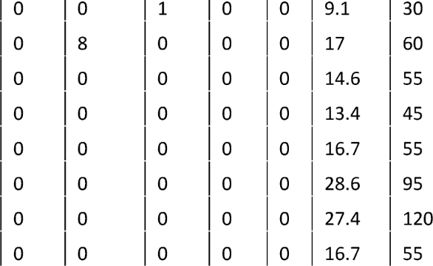
410 411 | 76B 76V | M.G.R.KOYAMBEDU M.G.R.KOYAMBEDU THYAGARAYA | OTTIYAMPAKKAM SIRUSERI I.T.PARK | li li | |o |o | )0 )0 | )1 1 | )0 )0 | )0 )0 | )0 )0 | )29 )35.2 | )90 )80
412 | S76 | NAGAR | STTHOMASMOUNT METRO | 1 | 0
413 | 77 | AVADI | M.G.R.KOYAMBEDU | 17 | 9
414 | 77A | AYAPPAKKAM TNHB | M.G.R.KOYAMBEDU | 3 | 3
415 | 77B | M.G.R.KOYAMBEDU | ORAGADAM | 1 | 1
416 | 77CT | M.G.R.KOYAMBEDU | VENKATACHALAM NAGAR | 1 | 1
417 | 77E | M.G.R.KOYAMBEDU | KANNIAMMAN NAGAR | 1 | 1
418 | 77FCT | AVADI | VADATHUR | 1 | 1
419 | 77K | M.G.R.KOYAMBEDU | KARUKKU | 1 | 1
 |  | KOYAMBEDU
420 | 77M | MARKET | MADANAKUPPAM | 1 | 1 | 0 | 0 | 0 | 0 | 0 | 17.3 | 60
421 | 77P | M.G.R.KOYAMBEDU | POOCHIATHIPEDU | 1 | 1 | )0 | )0 | )0 | )0 | )0 | )30 | )95
422 | 77T | M.G.R.KOYAMBEDU | THIRUMUDIVAKKAM SIDCO | 1 | 1 | )0 | )0 | )0 | )0 | )0 | 15.2 | 55
 |  |  | VEPPAMPATTU E.WARAN
423 | 77V | M.G.R.KOYAMBEDU | NAGAR | 2 | 2 | 0 | 0
 |  | xa a v'ew xaocni i | b"WVA la o A b"V’A hX |  |  | non
427 | 79V | TAMBARAM | VENBAKKAM
428 | S80 | SANATORIUM MEPZ | THENDRAL NAGAR
429 | S81 | CHROMEPET | POZHICHALUR
 |  | ALANDUR METRO
430 | S82 | R.S | MADIPAKKAM B.S | 1 | 0 | 0 | 0 | 1 | 0 | 0 | 9.1 | 35
 |  | ALANDUR METRO
431 | S83 | R.S | GURUNANAK COLLEGE | 2 | 0 | 0 | 0 | 2 | 0 | 0 | 9.1 | 35
432 | 584 | ALANDUR METRO R.S | PORUR | 2 | 0 | 0 | 0 | 2 | 0 | 0 | 8 | 25
 |  | THYAGARAYA
433 | S86 | NAGAR | RAMAPURAM |  |  | 0 | 0 | 2 | 0 | 0 | 7.5 | 30
434 | S87 | M.G.R.KOYAMBEDU | K.K.NAGAR |  |  | )0 | )0 | 1 | )0 | )0 | )8.1 | 35
435 | 88C | BROADWAY | THANDALAM VILLAGE |  |  | )0 | )0 | )0 | )0 | )0 | )27.5 | )90
 |  | THYAGARAYA
436 | 88CET | NAGAR | NANDAMBAKKAM VILLAGE | 1 | 1 | 0 | 0 | 0 | 0 | 0 | 26.8 | 85
437 | 88CT | VADAPALANI | PORUR | 2 | 2 | 0 | 0 | 0 | 0 | 0 | 6 | 30
438 | 88D | SAIDAPET WEST | KUNDRATHUR B.S | 1 | 1 | 0 | 0 | 0 | 0 | 0 | 23.9 | 70
439 | 88K | BROADWAY | KUNDRATHUR B.S | 15 | 3 | 1 | 11 | 0 | 0 | 0 | 30 | 100
440 | 88KET | BROADWAY | NALLUR | 1 | 1 | 0 | 0 | 0 | 0 | 0 | 39.3 | 120
441 | 88L | VADAPALANI | PERIYA COLONY | 1 | 1 | 0 | 0 | 0 | 0 | 0 | 20.4 | 65
442 | 88M | VADAPALANI | SOMANGALAM | 1 | 0 | 1 | 0 | 0 | 0 | 0 | 25.8 | 85
443 | 88R | SAIDAPET | AMARAMBEDU | 1 | 1 | 0 | 0 | 0 | 0 | 0 | 36.4 | 90
444 | M88 | KUNDRATHUR B.S | VADAPALANI | 12 | 12 | 0 | 0 | 0 | 0 | 0 | 14.6 | 50
445 | M88CT | PORUR | KUNDRATHUR MURUGAN TEMPLE | 3 | 3 | 0 | 0 | 0 | 0 | 0 | 10 | 35
 |  | NANDAMBAKKAM
446 | M88ET | VILLAGE | VADAPALANI | 1 | 1 | 0 | 0 | 0 | 0 | 0 | 20.8 | 70
447 | M88T | VADAPALANI | AMARAMBEDUEAST | 1 | 1 | 0 | 0 | 0 | 0 | 0 | 27.5 | 85
448 | S88A | PORUR | NANDAMBAKKAMVILLAGE | 1 | 0 | 0 | 0 | 1 | 0 | 0 | 15.5 | 50
449 | 89T | TAMBARAM | KUNDRATHURB.S | 5 | 5 | 0 | 0 | 0 | 0 | 0 | 22.6 | 70
450 | 89TCT | KUNDRATHUR B.S | SOMANGALAM | 1 | 1 | 0 | 0 | 0 | 0 | 0 | 10.8 | 35
451 | 91 | TAMBARAM | THIRUVANMIYUR | 19 | 4 | 0 | 7 | 0 | 0 | 8 | 21.5 | 60
452 | 91A | HASTHINAPURAM | THIRUVANMIYUR | 4 | 1 | 0 | 3 | 0 | 0 | 0 | 20.3 | 60
453 | 91K | KILAMBAKKAM B.S | THIRUVANMIYUR | 8 | 0 | 0 | 8 | 0 | 0 | 0 | 30.1 | 80
454 | 91R | KILAMBAKKAM B.S | VELACHERY | )3 | 3 | )0 | )0 | )0 | )0 | )0 | 25 | 70
455 | 91V | THIRUVANMIYUR | GUDUVANCHERY | 19 | 7 | 0 | 12 | 0 | 0 | 0 | 33 | 90
 |  | THIRUMUDIVAKKAM
456 | S94 | SIDCO | DURGA NAGAR | 1 | 0 | 0 | 0 | 1 | 0 | 0 | 11.2 | 45
457 | 95 | TAMBARAM EAST | THIRUVANMIYUR | 24 | 7 | 3 | 14 | 0 | 0 | 0 | 25 | 75
 |  |  | OKK.THORAPAKM
458 | 95G | KILAMBAKKAM B.S | SEC.COLONY |  |  | 1 | 0 | 0 | 0 | 0 | 26.2 | 70
459 | 95X | KILAMBAKKAM B.S | THRUVANlMIYUR |  |  | 0 | 14 | 0 | 0 | 0 | 32.2 | 100
460 | S95 | VELACHERY | PERUNGUDI |  |  | 0 | 0 | 2 | 0 | 0 | 5 | 25
 |  | THIRUMANGALAM
461 | S70K | METRO R.S | KORATTURWATERCANAL | 2 | 0
462 | S97 | GUINDYMETRO | VELACHERYVIJAYANAGAR | 2 | 0
463 | S98 | LITTLE MOUNT | TARAMANI | 2 | 0
464 | 99 | TAMBARAMWEST | ADYARB.S | 14 | 3
465 | 99A | TAMBARAM WEST | SHOZHANGANALLUR | 6 | 1
 |  | SEMMANCHERI
466 | 99C | S.C.B | TAMBARAM WEST
467 | 99X | KILAMBAKKAM B.S | ADYAR B.S
468 | S100 | AIRPORT METRO | TAMBARAM EAST
ztrs | 1n1
 |  |  | RO.J
472 | 102C | BROADWAY | SEMMANCHERI S.C.B | 5 | 5 | 0 | 0 | 0 | 0 | 0 | 30.3 | 80
473 | 102CT | THIRUVANMIYUR | SIRUSERI I.T.PARK | 16 | 13 | 0 | 3 | 0 | 0 | 0 | 21 | 60
474 | 102K | BROADWAY | KANNAGI NAGAR S.C.B | 26 | 26 | 0 | 0 | 0 | 0 | 0 | 23.4 | 65
475 | 102K# | BROADWAY | EZHIL NAGAR | 2 | 2 | 0 | 0 | 0 | 0 | 0 | 22.4 | 65
476 | 102M | ADYARB.S | MANAMATHI | 1 | 0 | 1 | 0 | 0 | 0 | 0 | 46.5 | 105
477 | 102P | BROADWAY | PERUMPAKKAM S.C.B | 19 | 19 | 0 | 0 | 0 | 0 | 0 | 30.3 | 100
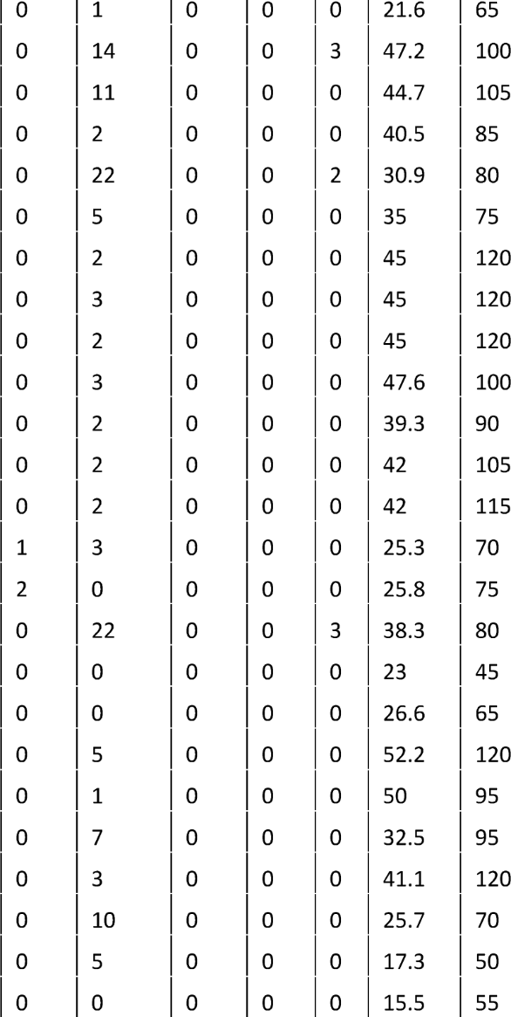
478 | 102S | BROADWAY | OKK.THORAIPAKM SEC.COLONY | 1 | 0
479 | 102X | BROADWAY | THIRUPORUR | 17 | 0
480 | 104 | TAMBARAM | REDHILLS | 11 | 0
481 | 104A | KILAMBAKKAM B.S | AVADI | 2 | 0
482 | 104C | KILAMBAKKAM B.S | M.G.R.KOYAMBEDU | 24 | 0
483 | 104CX | M.G.R.KOYAMBEDU | GUDUVANCHERY | 5 | 0
484 | 104F | KILAMBAKKAM B.S | MADHAVARAMB.S | 2 | 0
485 | 104G | KILAMBAKKAM B.S | M.K.B.NAGAR | 3 | 0
486 | 104H | KILAMBAKKAM B.S | K.KANNADASAN NAGAR | 2 | 0
487 | 104K | KILAMBAKKAM B.S | REDHILLS | 3 | 0
488 | 104M | KILAMBAKKAM B.S | M.M.B.T | 2 | 0
489 | 104P | KILAMBAKKAM B.S | PERAMBUR | 2 | 0
490 | 104T | KILAMBAKKAM B.S | T.V.K.NAGAR | 2 | 0
491 | 105 | TAMBARAM WEST | SIRUSERI I.T.PARK | 4 | 0
492 | 105A | TAMBARAM WEST | SIRUSERII.T.PARK | 2 | 0
493 | 109 | BROADWAY | KOVALAM | 27 | 2
494 | 109C | THIRUVANMIYUR | KOVALAM | 1 | 1
495 | 109CT | ADYAR B.S | KOVALAM | 1 | 1
496 | 109T | THIRUVOTRIYUR | KOVALAM | 5 | 0
497 | 109X | BROADWAY | THIRUPORUR | 1 | 0
498 | 111 | TAMBARAM | THIRUVERKADU | 9 | 2
499 | 111ET | KILAMBAKKAM B.S | THIRUVERKADU | 3 | 0
500 | 113 | REDHILLS | GUINDYTVKESTATE | 12 | 2
501 | 114 | M.G.R.KOYAMBEDU | REDHILLS | 12 | 7
502 | 114A | REDHILLS | AYANAVARAM B.S | 1 | 1
503 | 114C | M.G.R.KOYAMBEDU | THAMARAIPAKKAM KOOT RO | ı | ı | 0 | 0 | 0 | 0 | 0 | 42 | 110
504 | 114CCT | M.G.R.KOYAMBEDU | GNAYARU | lı | l1 | 0 | 0 | 0 | 0 | 0 | 30.1 | 90
505 | 114D | M.G.R.KOYAMBEDU | ARANI | 2 | 0 | 0 | 2 | 0 | 0 | 0 | 41.5 | 100
506 | 114E | KOYAMBEDU MARKET | NEW ERUMAIVETTI PALAYAM |  |  | 0 | 0 | 0 | 0 | 0 | 30 | 90
507 | 114ET | M.G.R.KOYAMBEDU | MAHINDRA IND.PARK |  |  | 0 | 1 | 0 | 0 | 0 | 39.2 | 100
508 | 114G | M.G.R.KOYAMBEDU | GNAYARU |  |  | 0 | 0 | 0 | 0 | 0 | 34.6 | 100
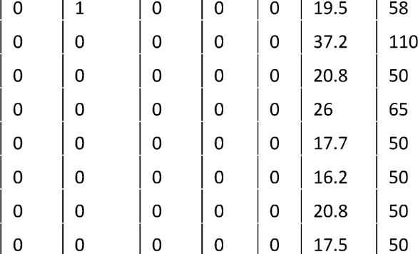
509 | 114P | KOYAMBEDU MARKET | PADIYANALLUR | 2 | 1
510 | 114S | SEEMAVARAM | KOYAMBEDUMARKET | 1 | 1
511 | 118 | TAMBARAM | MARAIMALAINAGARI.E. | 6 | 6
512 | 118ET | TAMBARAM | KALIVANTHAPATTU | 1 | 1
513 | 118G | TAMBARAM | KAVANOORKOOTROAD | 1 | 1
514 | 118N | TAMBARAM | NEELAMANGALAM | 1 | 1
515 | 118P | TAMBARAM | PARAMESWARINAGAR | 1 | 1
516 | 118T | TAMBARAM | DHARGASNAGAR | 1 | 1

Table 8
519 | 120 | BROADWAY | AVADI | 8 |  | 2 | 0 | 6 | 0 | 0 | 0 | 25.4 | 70
520 | 120A | BROADWAY | ARAKKAMBAKKAM | 2 |  | 2 | 0 | 0 | 0 | 0 | 0 | 38 | 100
521 | 120CT | BROADWAY | VENKATACHALAM NAGAR | 1 |  | 1 | 0 | 0 | 0 | 0 | 0 | 25.5 | 65
522 | 120E | BROADWAY | KILKONDAIYUR | 1 |  | 1 | 0 | 0 | 0 | 0 | 0 | 43.1 | 120
523 | 120F | BROADWAY | ORAGADAM | 3 |  | 3 | 0 | 0 | 0 | 0 | 0 | 21.8 | 70
524 | 120G | BROADWAY | MENAMBEDU | 2 |  | 2 | 0 | 0 | 0 | 0 | 0 | 21.6 | 80
525 | 120K | BROADWAY | KADHAVOOR | 1 |  | 1 | 0 | 0 | 0 | 0 | 0 | 38.3 | 120
526 | 120KET | BROADWAY | KILKONDAIYUR | 1 |  | 1 | 0 | 0 | 0 | 0 | 0 | 40.3 | 120
527 | 121 | MINJUR | M.G.R.KOYAMBEDU | 9 |  | 3 | 0 | 6 | 0 | 0 | 0 | 32.6 | 105
528 | 121A | MANALI | M.G.R.KOYAMBEDU | 11 |  | 9 | 0 | 2 | 0 | 0 | 0 | 20.4 | 60
529 | 121C | ENNORE | M.G.R.KOYAMBEDU | 10 |  | 10 | 0 | 0 | 0 | 0 | 0 | 30.8 | 105
530 | 121CT | M.G.R.KOYAMBEDU | M.M.B.T | 4 |  | 0 | 0 | 4 | 0 | 0 | 0 | 10.8 | 35
531 | 121D | MANALI NEW TOWN | M.G.R.KOYAMBEDU | 2 |  | 2 | 0 | 0 | 0 | 0 | 0 | 25.4 | 90
532 | 121F | MADHAVARAM B.S | TAMBARAM | 2 |  | 0 | 0 | 2 | 0 | 0 | 0 | 37.4 | 55
533 | 121G | K.KANNADASAN NAGAR | M.G.R.KOYAMBEDU | 6 |  | 6 | 0 | 0 | 0 | 0 | 0 | 16 | 55
 |  | K.KANNADASAN
534 | 121H | NAGAR | TAMBARAM | 3 |  | 0 | 0 | 3 | 0 | 0 | 0 | 36.7 | 100
535 | 121HE | KILAMBAKKAM B.S | K.KANNADASAN NAGAR | 3 |  | 0 | 0 | 3 | 0 | 0 | 0 | 45.1 | 135
536 | 121M | MADHAVARAM B.S | M.G.R.KOYAMBEDU | 3 |  | 1 | 0 | 2 | 0 | 0 | 0 | 17.7 | 55
537 | 121MET | MANALI | M.G.R.KOYAMBEDU | 1 |  | 1 | 0 | 0 | 0 | 0 | 0 | 24.5 | 80
538 | 129C | PERAMBUR | NANGANALLUR | 1 |  | 1 | 0 | 0 | 0 | 0 | 0 | 26.5 | 70
539 | 142 | PERAMBUR | VINAYAGAPURAM | 10 |  | 10 | 0 | 0 | 0 | 0 | 0 | 6.3 | 25
540 | 142B | BROADWAY | THANIKACHALAM NAGAR | 2 |  | 2 | 0 | 0 | 0 | 0 | 0 | 13.4 | 50
541 | 142P | PERAMBUR | PUTHAGARAM | 2 |  | 2 | 0 | 0 | 0 | 0 | 0 | 9.2 | 40
542 | S145 | AYANAVARAM B.S | M.G.R.KOYAMBEDU | 1 |  | 0 | 0 | 0 | 1 | 0 | 0 | 11 | 50
543 | 147A | J.J.NAGAREAST | THYAGARAYA NAGAR | 2 |  | 2 | 0 | 0 | 0 | 0 | 0 | 14.6 | 50
544 | 147B | J.J.NAGARWEST | THYAGARAYA NAGAR | 2 |  | 2 | 0 | 0 | 0 | 0 | 0 | 15 | 50
545 | 147C | AMBATTURO.T | THYAGARAYA NAGAR | 9 |  | 8 | 0 | 1 | 0 | 0 | 0 | 21.3 | 70
546 | 147CCT | AMBATTUR I.E | THYAGARAYA NAGAR | 1 |  | 1 | 0 | 0 | 0 | 0 | 0 | 16.3 | 50
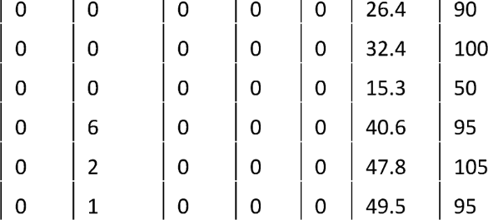
 |  | THYAGARAYA
 |  | NAGAR | VENKATACHALAM NAGAR | 1 |  | 1
 |  | BROADWAY | AVADI | 1 |  | 1
 |  | M.G.R.KOYAMBEDU | POONAMALLEE | 3 |  | 3
 |  | M.G.R.KOYAMBEDU | THIRUVALLUR | 7 |  | 1
 |  | M.G.R.KOYAMBEDU | PERAMBAKKAM | 2 |  | 0
 |  | M.G.R.KOYAMBEDU | THIRUVALLUR | 1 |  | 0
 |  | THYAGARAYA
553 | 154 | NAGAR | POONAMALLEE | 24 |  | 9 | 0 | 15 | 0 | 0 | 0 | 20.5 | 70
554 | 154B | POONAMALLEE | NANGANALLUR | 1 |  | 1 | )0 | )0 | )0 | )0 | )0 | )23 | )65
555 | 154E | EKKATTUTHANGAL | VELLAVEDU | i | | | 0 | 1 | )0 | )0 | )0 | )0 | )22.4 | )70
 |  | THYAGARAYA
556 | 154P | NAGAR | PATTUR | 1 |  | 1 | 0 | 0 | 0 | 0 | 0 | 19.5 | 70
557 | 155A | BROADWAY | PAZHANTHANDALAM | 1 |  | 1 | 0 | 0 | 0 | 0 | 0 | 31.2 | 90
558 | 157 | THIRUVOTRIYUR | REDHILLS | 12 |  | 12 | 0 | 0 | 0 | 0 | 0 | 24.5 | 80
559 | 157E | ENNORE | REDHILLS | 1 |  | 1 | 0 | 0 | 0 | 0 | 0 | 34.1 | 100
560 | 159 | THIRUVOTRIYUR | THIRUVERKADU | 7 |  | 7 | 0 | 0 | 0 | 0 | 0 | 29.6 | 105
561 | 159A | THIRUVOTRIYUR | M.G.R.KOYAMBEDU | 17 |  | 16 | 0 | 1 | 0 | 0 | 0 | 22 | 75
562 | 159B | TOLLGATE | M.G.R.KOYAMBEDU | 1 |  | 1 | 0 | 0 | 0 | 0 | 0 | 18.4 | 65
563 | 159E | ENNORE | M.G.R.KOYAMBEDU | 2 |  | 1 | 0 | 1 | 0 | 0 | 0 | 30.6 | 105

Table 9
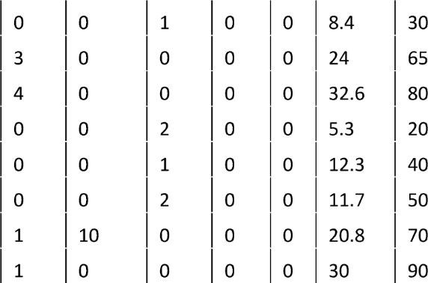
566 | S165 | KOVUREB | PALLAVARAM | 1 | 0
567 | 166 | IYYAPPANTHANGAL | TAMBARAM | 3 | 0
568 | 166X | KILAMBAKKAM B.S | IYYAPPANTHANGAL | 4 | 0
569 | S166 | PORUR | MANIMEDU(AKASHNAGAR) | 2 | 0
570 | S167 | PATTUR | PALLAVARAM | 1 | 0
571 | S169 | MOOLAKADAI | TOLLGATE | 2 | 0
572 | 170C | T.V.K.NAGAR | GUINDYTVKESTATE | 14 | 3
573 | 170CE | MANALI | GUINDYTVKESTATE | 2 | 1
574 | 170K | PERAVALLUR KUMARAN NAGAR | GUINDY TVK ESTATE |  |  | 1 | 0 | 0 | 0 | 0 | 19.7 | 65
575 | 188A | KUNDRATHUR B.S | THYAGARAYA NAGAR |  |  | 0 | 0 | 0 | 0 | 0 | 21.4 | 70
576 | 188C | BROADWAY | KUNDRATHUR B.S |  |  | 1 | 0 | 0 | 0 | 0 | 30 | 100
577 | 188ET | BROADWAY | KUNDRATHUR B.S |  |  | 1 | 0 | 0 | 0 | 0 | 33.9 | 95
578 | 188K | THYAGARAYA NAGAR | KATRAMBAKKAM | 1 | 0 | 1 | 0 | 0 | 0 | 0 | 33.5 | 100
579 | 202 | TAMBARAM | AVADI | 12 | 0 | 0 | 12 | 0 | 0 | 0 | 36.4 | 80
580 | 202X | KILAMBAKKAM B.S | AVADI | 4 | 0 | 0 | 4 | 0 | 0 | 0 | 37.9 | 80
581 | 206 | KILAMBAKKAM B.S | AVADI | 4 | 0 | 0 | 4 | 0 | 0 | 0 | 35.3 | 85
582 | 221 | M.G.R.CENTRAL | THIRUPORUR | 3 | 1 | 0 | 2 | 0 | 0 | 0 | 49.6 | 110
583 | 242 | BROADWAY | REDHILLS | 18 | 2 | 0 | 16 | 0 | 0 | 0 | 20.9 | 75
584 | 266 | TAMBARAM | AVADI | 5 | 0 | 0 | 5 | 0 | 0 | 0 | 30 | 80
585 | 297 | KILAMBAKKAM B.S | THIRUVALLUR | 2 | 0 | 0 | 2 | 0 | 0 | 0 | 49 | 105
586 | 500 | TAMBARAM | CHENGALPET | 31 | 28 | 0 | 3 | 0 | 0 | 0 | 32.3 | 70
587 | SOOA | HASTHINAPURAM | CHENGALPET | 2 | 0 | 2 | 0 | 0 | 0 | 0 | 36.6 | 80
588 | SOOD | DURGANAGAR | CHENGALPET | 2 | 0 | 2 | 0 | 0 | 0 | 0 | 36.2 | 80
589 | SOOE | TAMBARAM | ECHANKARANAI | 1 | 1 | 0 | 0 | 0 | 0 | 0 | 31.4 | 105
590 | SOOET | CHITLAPAKKAM | CHENGALPET | 1 | 1 | 0 | 0 | 0 | 0 | 0 | 35.5 | 80
591 | SOOR | TAMBARAM | MARAIMALAI NAGAR I.E. | 1 | 1 | 0 | 0 | 0 | 0 | 0 | 19.7 | 60
592 | SOOW | SAIDAPETWEST | CHENGALPET | 2 | 0 | 0 | 2 | 0 | 0 | 0 | 54.4 | 120
593 | 505 | REDHILLS | THIRUVALLUR | 13 | 3 | 0 | 10 | 0 | 0 | 0 | 37.5 | 80
594 | SOSK | REDHILLS | THIRUVALLUR | 1 | 1 | 0 | 0 | 0 | 0 | 0 | 40 | 80
595 | 512 | REDHILLS | MADARAPAKKAM | 2 | 1 | 0 | 1 | 0 | 0 | 0 | 42 | 90
596 | 514 | M.G.R.KOYAMBEDU | PERIYAPALAYAM | 3 | 0 | 0 | 3 | 0 | 0 | 0 | 42 | 90
597 | 514ET | M.G.R.KOYAMBEDU | ENAMBAKKAM | 2 | 0 | 0 | 2 | 0 | 0 | 0 | 49 | 110
598 | 515 | TAMBARAM | MAMALLAPURAM | 17 | 4 | 0 | 13 | 0 | 0 | 0 | 50.8 | 100
599 | 515A | TAMBARAM | KOVALAM | 14 | 0 | 0 | 14 | 0 | 0 | 0 | 31.6 | 65
600 | 515B | TAMBARAM | THIRUPORUR | 8 | 0 | 4 | 4 | 0 | 0 | 0 | 35.1 | 70
601 | 515K | KILAMBAKKAM B.S | KOVALAM | 2 | 0 | 0 | 2 | 0 | 0 | 0 | 25.3 | 50
602 | 515M | KILAMBAKKAM B.S | MAMALLAPURAM | 2 | 0 | 0 | 2 | 0 | 0 | 0 | 44.7 | 90
603 | 515T | KILAMBAKKAM B.S | THIRUPORUR | 3 | 0 | 0 | 3 | 0 | 0 | 0 | 28.6 | 60
604 | 517K | PALLAVARAM | KOVALAM | 1 | 0 | 0 | 1 | 0 | 0 | 0 | 36.8 | 85
605 | 519T | ADYARB.S | THAIYUR KOMAN NAGAR | 1 | 1 | 0 | 0 | 0 | 0 | 0 | 36.2 | 80
606 | 523 | THIRUVANMIYUR | MULLIPAKKAM | 1 | 0 | 1 | 0 | 0 | 0 | 0 | 51.4 | 110
607 | 523A | THIRUVANMIYUR | DEVI KARUMARIAMMAN KOVIL | 1 | 0
608 | 525 | VADAPALANI | SUNGUVARCHATHIRAM | 1 | 0
609 | 547 | REDHILLS | PERIYAPALAYAM | 4 | 1
610 | 547A | VALLALAR NAGAR | PERIYAPALAYAM | 1 | 0
611 549 SRI |  |  |  | 3 | 0 | 0 | 3 | 0 | 0 | 0 | 42.2 | 00
I

Table 10
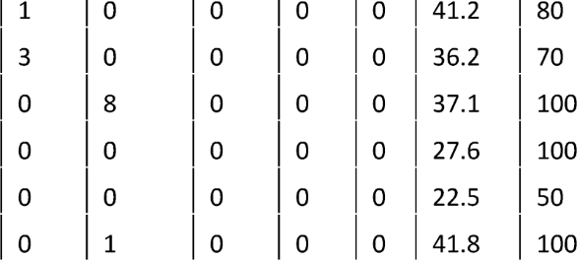
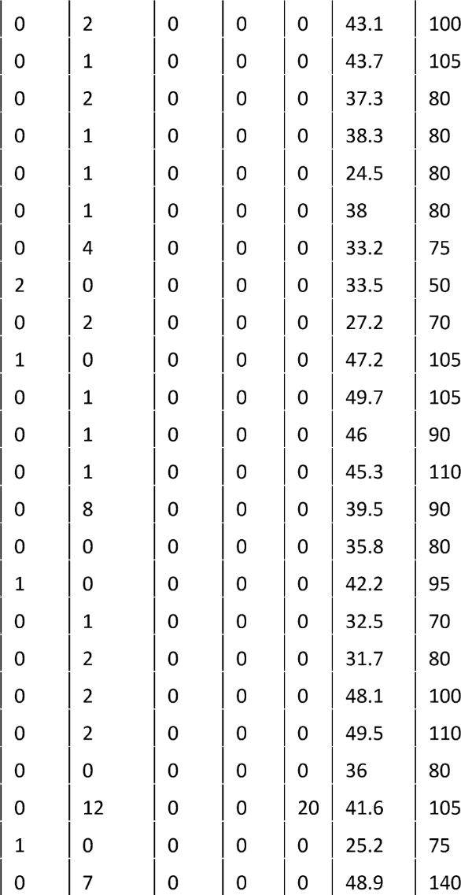
614 |  | 553W |  | SAIDAPET WEST |  | SRIPERUMBUDUR |  |  |  |  | 2 |  | 0
615 |  | 554B |  | EKKATTUTHANGAL |  | SUNGUVARCHATHIRAM |  |  |  |  | 1 |  | 0
616 |  | SSSG |  | SHOZHANGANALLUR |  | GUDUVANCHERY |  |  |  |  | 2 |  | 0
617 |  | SSSM |  | TAMBARAM |  | THIRUPORUR |  |  |  |  | 1 |  | 0
618 |  | SSSN |  | GUDUVANCHERY |  | THIRUPORUR |  |  |  |  | 2 |  | 1
619 |  | SSSP |  | PADAPPAI |  | SHOZHANGANALLUR |  |  |  |  | 1 |  | 0
620 |  | SSSS |  | KILAMBAKKAM B.S |  | SHOZHANGANALLUR |  |  |  |  | 4 |  | 0
621 |  | 556 |  | THIRUVOTRIYUR |  | KATTUPALLI |  |  |  |  | 2 |  | 0
622 |  | 557 |  | REDHILLS |  | GUMMIDIPOONDI |  |  |  |  | 2 |  | 0
623 |  | 557AE |  | REDHILLS |  | ANNAMALAICHERY |  |  |  |  | 1 |  | 0
624 |  | 557C |  | REDHILLS |  | KALLUR |  |  |  |  | 1 |  | 0
625 |  | 557M |  | REDHILLS |  | MADARAPAKKAM |  |  |  |  | 1 |  | 0
626 |  | 558A |  | REDHILLS |  | MINJUR |  |  |  |  | 1 |  | 0
627 |  | 558B |  | REDHILLS |  | PAZHAVERKADU |  |  |  |  | 10 |  | 2
628 |  | 558C |  | REDHILLS |  | PUDHUCHERYMEDU |  |  |  |  | 1 |  | 1
629 |  | 558L |  | MINJUR |  | M.G.R.KOYAMBEDU |  |  |  |  | 1 |  | 0
630 |  | 558P |  | REDHILLS |  | PERUMBEDUKUPPAM |  |  |  |  | 1 |  | 0
631 |  | 565 |  | AVADI |  | SRIPERUMBUDUR |  |  |  |  | 2 |  | 0
632 |  | 566 |  | KUNDRATHUR B.S |  | THIRUPORUR |  |  |  |  | 2 |  | 0
633 |  | 566B |  | PATTUR |  | KOVALAM |  |  |  |  | 2 |  | 0
634 |  | 568B |  | VELACHERY |  | THIRUPORUR |  |  |  |  | 1 |  | 1
635 |  | 570 |  | M.G.R.KOYAMBEDU |  | KELAMBAKKAM |  |  |  |  | 34 |  | 2
636 |  | 570C |  | M.G.R.KOYAMBEDU |  | KANNAGINAGARS.C.B |  |  |  |  | 1 |  | 0
637 |  | 570ET |  | M.G.R.KOYAMBEDU |  | THIRUPORUR |  |  |  |  | 8 |  | 1
638 |  | 570P |  | PERUMPAKKAM S.C.B |  | M.G.R.KOYAMBEDU |  |  |  |  | 1 |  | 0 | 0 | 1 | 0 | 0 | 0 | 33.2 | 85
639 |  | 570V |  | VADAPALANI |  | KELAMBAKKAM |  |  |  | t | 3 | t | 0 | 0 | 3 | 0 | 0 | 0 | 40 | 100
640 |  | 572 |  | AVADI |  | THIRUVALLUR |  |  |  | t | 6 | t | 2 | 0 | 4 | 0 | 0 | 0 | 24 | 70
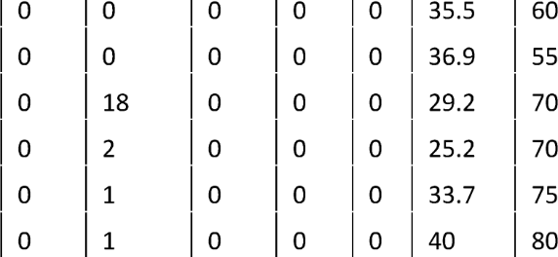
641 |  | 572A |  | AVADI |  | THIRUVALLUR COLLECTOR OFF |  |  |  |  | 1 |  | 1
642 |  | 572K |  | AMBATTUR I.E |  | KIZHANOOR |  |  |  |  | 1 |  | 1
643 |  | 578 |  | POONAMALLEE |  | SUNGUVARCHATHIRAM |  |  |  |  | 20 |  | 2
644 |  | 578A |  | KUNDRATHUR B.S |  | SRIPERUMBUDUR |  |  |  |  | 2 |  | 0
645 |  | 578ET |  | POONAMALLEE |  | KUNNAM |  |  |  |  | 1 |  | 0
646 |  | 578PC |  | POONAMALLEE |  | ELAMBAKKAM |  |  |  |  | 1 |  | 0
647 |  | 579A |  | TAMBARAM NEW B.S |  | WALAJABAD |  |  |  |  | 5 |  | 1 | 4 | 0 | 0 | 0 | 0 | 42 | 80
 |  |  |  | TAMBARAM NEW
648 | 579C |  | B.S |  | WALAJABAD
649 | 579K |  | KILAMBAKKAM B.S |  | WALAJABAD |  |  | 31
650 580 651 580A 652 580M 653 580S 654 583 655 583A |  |  |  | AVADI AVADI THIRUNINDRAVOOR AVADI TAMBARAM NEW B.S THIRUVALLUR TAMBARAM NEW |  |  | ARANI MEL SEMBEDU MALANTHUR SIRUVAPURI SRIPERUMBUDUR SRIPERUMBUDUR |  | i0 | 2 li li li li li |o 22 5 5 2 |  |  |  |  | 0 17 0 0 0 39.8 80 0 3 0 0 0 21.4 45
656 583C 657 583D 658 583K |  |  |  | B.S SRIPERUMBUDUR SRIPERUMBUDUR TAMBARAM NEW B.S B.S SRI |  |  |  |  |  | 4 1 0 3 0 0 0 30.2 65 2 0 )0 )2 )0 )0 )0 )26.5 55 7 0 TO )7 TO )0 )0 )33.9 65

